Site D
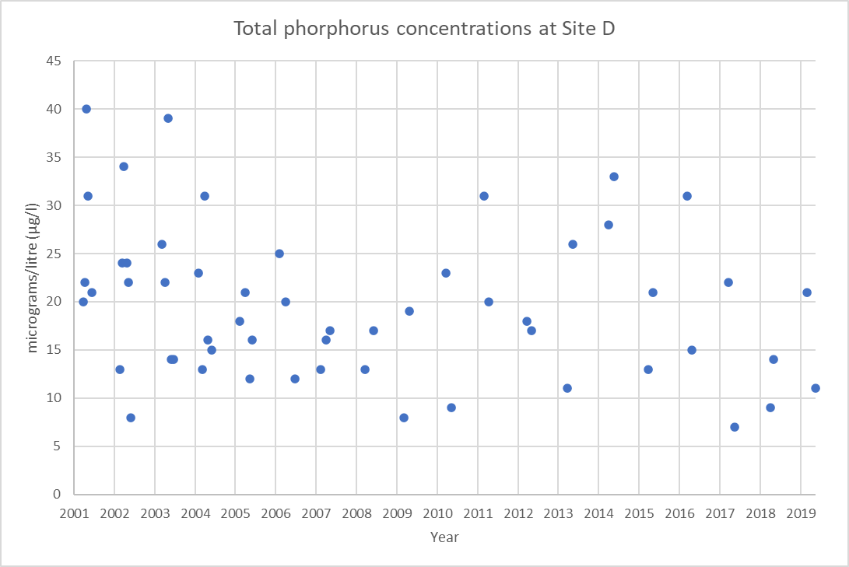
Year | Average TP (µg/l)
2001 | 27
2002 | 21
2003 | 23
2004 | 20
2005 | 17
2006 | 19
2007 | 15
2008 | 15
2009 | 14
2010 | 16
2011 | 26
2012 | 18
2013 | 19
2014 | 31
2015 | 17
2016 | 23
2017 | 15
2018 | 12
2019 | 16
Overall | 20

